Data from 1.4.3
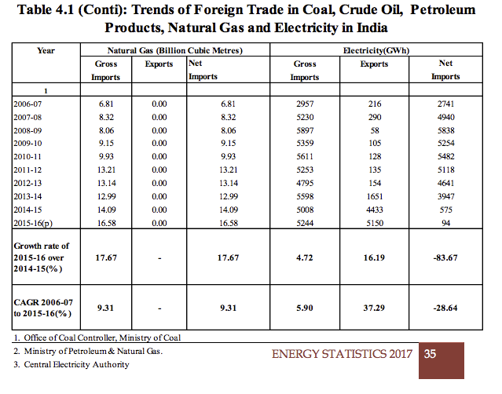
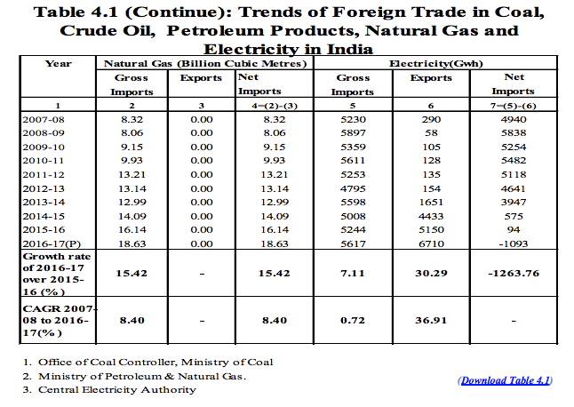
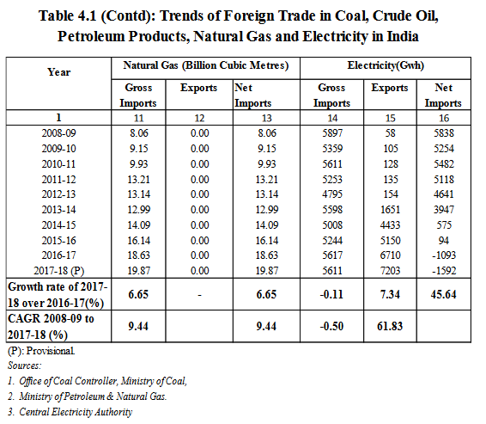
13th Plan (2021‐22) | 14th Plan (Scenario‐I /Scenario‐II) (2026-27) | 15th Plan (Scenario‐I / Scenario‐II) (2031-32) | 2033-34
NR (Import) 22000 23000/22000 34000/31000 44000
WR (Export) 16000 28000/28000 30000/30000 33000
SR (Import) 19000 21000/21000 42000/42000 51000
ER (Export) 25000 30000/30000 31000/31000 35000
NER (Export) 6000 14000/14000 27000/27000 44000
Bhutan (Export) 6600 14000 26500 26500
Nepal (Export) 0 10000 20000 25000
Sri Lanka (Import) 0 500 800 1000
Bangladesh (Import) 1000 1500 2000 2000
Pakistan (Import) 0 500 800 1000

Import | 2500 | 3600 | 4000
Export | 11400 | 46500 | 51500

Electricity (GWh)
 | Gross imports | Exports
2006 | 2957 | 216
2007 | 5230 | 290
2008 | 5897 | 58
2009 | 5359 | 105
2010 | 5611 | 128
2011 | 5253 | 135
2012 | 4795 | 154
2013 | 5598 | 1651
2014 | 5008 | 4433
2015 | 5244 | 5150

 | 2006 | 2007 | 2008 | 2009 | 2010 | 2011 | 2012 | 2013 | 2014 | 2015 |  | CAGR
Imports | 2957 | 5230 | 5897 | 5359 | 5611 | 5253 | 4795 | 5598 | 5008 | 5244 |  | 5.90% |  | 1.7734190057
Exports | 216 | 290 | 58 | 105 | 128 | 135 | 154 | 1651 | 4433 | 5150 |  | 2284% |  | 23.842592593

The gross import of electricity has increased with a CAGR 5.90% during the period 2006-07 (2957 GWh) to 2015-16 (5244 GWh). Similarly, the export of electricity has increased from 216 GWh in 2006-07 to 5150 GWh in 2015-16.  There was decrease in net import of electricity during 2006-07 to 2015-16 and the CAGR for this period is (-) 28.64%
http://www.mospi.nic.in/sites/default/files/publication_reports/Energy_Statistics_2017r.pdf.pdf

 |  |  | Import | Export |  | Growth Trend (import) |  | Growth Trend (export)
13th | 2021-22 | 26500 | 2500 | 11400 |  | 4.8122389469 |  | 16.276041376
14th | 2022-27 | 50100 | 3600 | 46500
15th | 2027-2032 | 55500 | 4000 | 51500 |  | 4.5175438596

 | 2006 | 2007 | 2008 | 2009 | 2010 | 2011 | 2012 | 2013 | 2014 | 2015 | 2016 | 2017 | 2018 | 2019 | 2020 | 2021 | 2022 | 2023 | 2024 | 2025 | 2026 | 2027 | 2028 | 2029 | 2030 | 2031 | 2032 | 2033
Import | 2957 | 5230 | 5897 | 5359 | 5611 | 5253 | 4795 | 5598 | 5008 | 5244 | 5617 | 5611 | 5881.0147273 | 6164.0232085 | 6460.650734 | 6771.5526849 | 7097.4159805 | 7438.9605965 | 7796.9411556 | 8172.1485945 | 8565.411912 | 8977.6 | 9409.6235637 | 9862.4371336 | 10337.041174 | 10834.484296 | 11355.865569 | 11902.3
Export | 216 | 290 | 58 | 105 | 128 | 135 | 154 | 1651 | 4433 | 5150 | 6710 | 7203 | 8375.3632603 | 9738.5408499 | 11323.589788 | 13166.621947 | 15309.626783 | 17801.427973 | 20698.795755 | 24067.740316 | 27985.015689 | 32539.868421 | 37836.070869 | 43994.285418 | 51154.813516 | 59480.79213 | 69161.910467 | 80418.731631
The gross import of electricity has increased with a CAGR 0.72% during the period 2007-08 (5230 GWh) to 2016-17 (5617 GWh). Similarly, the export of electricity has increased from 290 GWh in 2007-08 to 6710 GWh in 2016-17.  There was decrease in net import of electricity during 2007-08 to 2016-17 and percentage decrease in 2016-17 with respect to 2015-16 is (-) 1263.76%.
http://mospi.nic.in/sites/default/files/publication_reports/Energy_Statistics_2018.pdf

Comparisons
For comparison only, not used
CEA-based projections
 | 2017 | 2018 | 2019 | 2020 | 2021 | 2022 | 2023 | 2024 | 2025 | 2026 | 2027 | 2028 | 2029 | 2030 | 2031 | 2032 | 2033 | 2034 | 2035 | 2036 | 2037 | 2038 | 2039 | 2040 | 2041 | 2042 | 2043 | 2044 | 2045 | 2046 | 2047 | 2048 | 2049 | 2050
imports | 9913400 | 12369600 | 14825800 | 17282000 | 31191600 | 45101200 | 59010800 | 72920400 | 86830000 | 103390000 | 119950000 | 136510000 | 153070000 | 169630000 | 179189200 | 188748400 | 198307600 | 207866800 | 217426000 | 222827400 | 228228800 | 233630200 | 239031600 | 244433000 | 246359000 | 248285000 | 250211000 | 252137000 | 254063000 | 254063000 | 254063000 | 254063000 | 254063000 | 254063000
exports | 7123600 | 8231400 | 9339200 | 10447000 | 13616400 | 16785800 | 19955200 | 23124600 | 26294000 | 26614400 | 26934800 | 27255200 | 27575600 | 27896000 | 32473800 | 37051600 | 41629400 | 46207200 | 50785000 | 55233000 | 59681000 | 64129000 | 68577000 | 73025000 | 79306800 | 85588600 | 91870400 | 98152200 | 104434000 | 110715800 | 116997600 | 123279400 | 129561200 | 135843000
CEA-based
IESS-based

IRADe-based

 |  |  |  |  |  |  |  |  |  |  |  |  |  |  |  | 2017 | 2022 | 2027 | 2032 | 2037 | 2042 | 2047 | CAGR (2047-2022)
 |  |  |  |  |  |  |  |  |  | IESS LEVEL 2 GW trajectories-----> |  |  |  |  | imp | 1.5 | 5 | 10 | 15 | 20 | 25 | 30 | 7.4301173221
 |  |  |  |  |  |  |  |  |  |  |  |  |  |  | exp | 1 | 1.5 | 2 | 2.5 | 3 | 3.5 | 4 | 4.0012955327

 |  |  |  |  |  |  |  |  | IESS-based projections
 |  |  |  |  |  |  |  |  |  | 2006 | 2007 | 2008 | 2009 | 2010 | 2011 | 2012 | 2013 | 2014 | 2015 | 2016 | 2017 | 2018 | 2019 | 2020 | 2021 | 2022 | 2023 | 2024 | 2025 | 2026 | 2027 | 2028 | 2029 | 2030 | 2031 | 2032 | 2033 | 2034 | 2035 | 2036 | 2037 | 2038 | 2039 | 2040 | 2041 | 2042 | 2043 | 2044 | 2045 | 2046 | 2047 | 2048 | 2049 | 2050
 |  |  |  |  |  |  |  |  | Import | 2957 | 5230 | 5897 | 5359 | 5611 | 5253 | 4795 | 5598 | 5008 | 5244 | 5617 | 5611 | 6027.9038829 | 6475.7842135 | 6956.9425781 | 7473.8515737 | 8029.1675141 | 8625.7440804 | 9266.6469854 | 9955.1697283 | 10694.850519 | 11489.49046 | 12343.173081 | 13260.285322 | 14245.540078 | 15304.000419 | 16441.105605 | 17662.699041 | 18975.058302 | 20384.927396 | 21899.551417 | 23526.713781 | 25274.776216 | 27152.721742 | 29170.200824 | 31337.580968 | 33666 | 36167.423298 | 38854.705281 | 41741.655469 | 44843.109442 | 48175.005084 | 51754.464482 | 55599.881913 | 59731.01837
 |  |  |  |  |  |  |  |  | Export | 216 | 290 | 58 | 105 | 128 | 135 | 154 | 1651 | 4433 | 5150 | 6710 | 7203 | 7491.2133172 | 7790.958901 | 8102.6981915 | 8426.9110922 | 8764.0967093 | 9114.7741194 | 9479.4831691 | 9858.7853056 | 10253.264442 | 10663.527854 | 11090.207117 | 11533.959079 | 11995.466869 | 12475.440949 | 12974.62021 | 13493.773109 | 14033.698849 | 14595.228615 | 15179.226845 | 15786.592571 | 16418.260794 | 17075.20393 | 17758.433302 | 18469.0007 | 19208 | 19976.568846 | 20775.890403 | 21607.195177 | 22471.762913 | 23370.924558 | 24306.064318 | 25278.621784 | 26290.094148

 | 2017 | 2018 | 2019 | 2020 | 2021 | 2022 | 2023 | 2024 | 2025 | 2026 | 2027 | 2028 | 2029 | 2030 | 2031 | 2032 | 2033 | 2034 | 2035 | 2036 | 2037 | 2038 | 2039 | 2040 | 2041 | 2042 | 2043 | 2044 | 2045 | 2046 | 2047 | 2048 | 2049 | 2050
imports | 5611000 | 6027903.8829 | 6475784.2135 | 6956942.5781 | 7473851.5737 | 8029167.5141 | 8625744.0804 | 9266646.9854 | 9955169.7283 | 10694850.519 | 11489490.46 | 12343173.081 | 13260285.322 | 14245540.078 | 15304000.419 | 16441105.605 | 17662699.041 | 18975058.302 | 20384927.396 | 21899551.417 | 23526713.781 | 25274776.216 | 27152721.742 | 29170200.824 | 31337580.968 | 33666000 | 36167423.298 | 38854705.281 | 41741655.469 | 44843109.442 | 48175005.084 | 51754464.482 | 55599881.913 | 59731018.37
exports | 7203000 | 7491213.3172 | 7790958.901 | 8102698.1915 | 8426911.0922 | 8764096.7093 | 9114774.1194 | 9479483.1691 | 9858785.3056 | 10253264.442 | 10663527.854 | 11090207.117 | 11533959.079 | 11995466.869 | 12475440.949 | 12974620.21 | 13493773.109 | 14033698.849 | 14595228.615 | 15179226.845 | 15786592.571 | 16418260.794 | 17075203.93 | 17758433.302 | 18469000.7 | 19208000 | 19976568.846 | 20775890.403 | 21607195.177 | 22471762.913 | 23370924.558 | 24306064.318 | 25278621.784 | 26290094.148

IRADe projections
imports | 9913400 | 12369600 | 14825800 | 17282000 | 31191600 | 45101200 | 59010800 | 72920400 | 86830000 | 103390000 | 119950000 | 136510000 | 153070000 | 169630000 | 179189200 | 188748400 | 198307600 | 207866800 | 217426000 | 222827400 | 228228800 | 233630200 | 239031600 | 244433000 | 246359000 | 248285000 | 250211000 | 252137000 | 254063000 | 254063000 | 254063000 | 254063000 | 254063000 | 254063000
exports | 7123600 | 8231400 | 9339200 | 10447000 | 13616400 | 16785800 | 19955200 | 23124600 | 26294000 | 26614400 | 26934800 | 27255200 | 27575600 | 27896000 | 32473800 | 37051600 | 41629400 | 46207200 | 50785000 | 55233000 | 59681000 | 64129000 | 68577000 | 73025000 | 79306800 | 85588600 | 91870400 | 98152200 | 104434000 | 110715800 | 116997600 | 123279400 | 129561200 | 135843000

